plot
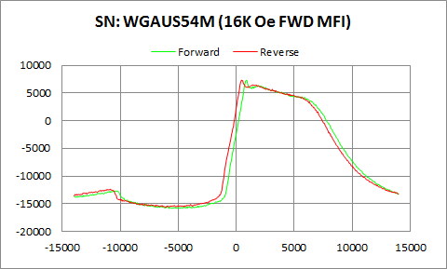

WGAUS54M | Forward |  | Reverse
 | Ampl | Field | Ampl | Field
50% Roll-off Field | -4275.458 | 8967.996391 | -4162.279 | 8563.2464758
P1 Switching Field | -12656.35 | -10400.08 | -12356.01 | -10848.87

Others | 0.14279483922 | 0.1392342047

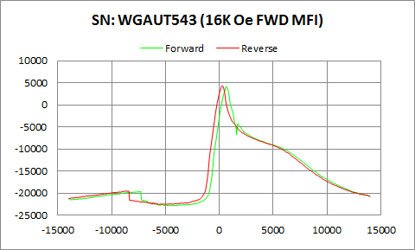

WGAUT543 | Forward |  | Reverse
 | Ampl | Field | Ampl | Field
50% Roll-off Field | -9371.478 | 5321.6835773 | -9142.273 | 4946.4292867
P1 Switching Field | -19652.82 | -7300.53 | -19527.51 | -8799.126

Others | 0.11328317362 | 0.11999034339

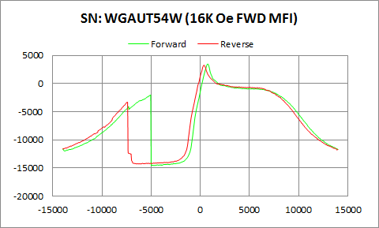

WGAUT54W | Forward |  | Reverse
 | Ampl | Field | Ampl | Field
50% Roll-off Field | -5547.482 | 10041.029045 | -5515.596 | 9648.4695834
P1 Switching Field | -2034.256 | -5048.699 | -3291.56 | -7450.127

Others | 0.61037067847 | 0.71354041802

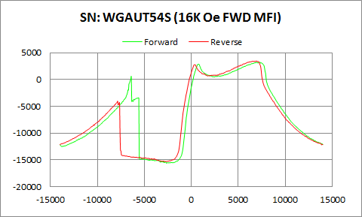

WGAUT54S | Forward |  | Reverse
 | Ampl | Field | Ampl | Field
50% Roll-off Field | -6190.9175 | 9876.0095377 | -5933.5685 | 9435.2539327
P1 Switching Field | 572.238 | -6400.322 | -4040.999 | -7849.053

Others | 0.59871604203 | 0.86091393787

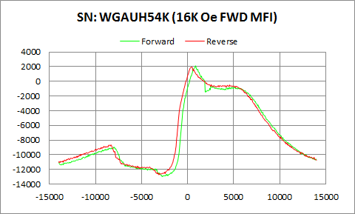

WGAUH54K | Forward |  | Reverse
 | Ampl | Field | Ampl | Field
50% Roll-off Field | -5424.097 | 8752.0471762 | -5385.797 | 8500.3792695
P1 Switching Field | -8971.354 | -7948.784 | -8674.328 | -8499.932

Others | 0.2679608224 | 0.27332096885

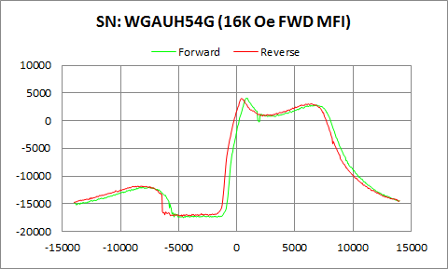

WGAUH54G | Forward |  | Reverse
 | Ampl | Field | Ampl | Field
50% Roll-off Field | -6712.9535 | 9352.4328397 | -6623.761 | 8886.1899127
P1 Switching Field | -11963.32 | -8051.14 | -11777.87 | -8499.932

Others | 0.25442760327 | 0.26067129143

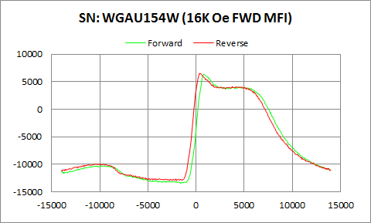

WGAU154W | Forward |  | Reverse
 | Ampl | Field | Ampl | Field
50% Roll-off Field | -3554.853 | 8570.5686225 | -3197.477 | 8096.0966508
P1 Switching Field | -10257.2 | -9898.797 | -9921.652 | -10499.81

Others | 0.15242822711 | 0.16407457481

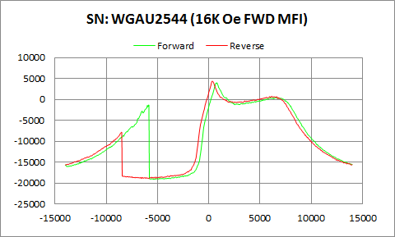

WGAU2544 | Forward |  | Reverse
 | Ampl | Field | Ampl | Field
50% Roll-off Field | -7556.8405 | 9435.3224694 | -7286.592 | 9028.6227107
P1 Switching Field | -1327.129 | -5849.175 | -7851.833 | -8499.932

Others | 0.47992938059 | 0.76331001021

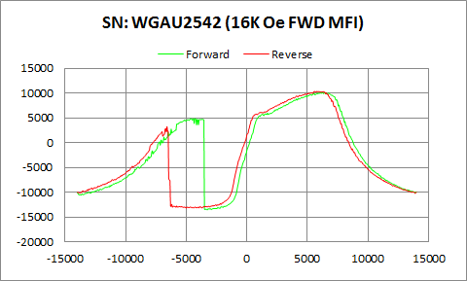

WGAU2542 | Forward |  | Reverse
 | Ampl | Field | Ampl | Field
50% Roll-off Field | -1722.415 | 9168.8081278 | -1430.23 | 8725.6282154
P1 Switching Field | 4585.222 | -5151.055 | 3246.347 | -6599.785

Others | 0.6945199396 | 0.77073717535

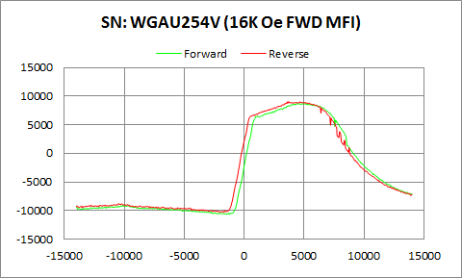

WGAU254V | Forward |  | Reverse
 | Ampl | Field | Ampl | Field
50% Roll-off Field | -965.748 | 9486.5098562 | -640.1575 | 9050.1416064
P1 Switching Field | -9067.608 | -10001.15 | -8792.692 | -10499.81

Others | 0.077924533821 | 0.083133049597

